data
x_axis | y_axis
1884 | 1981.9004525
1885 | 2742.081448
1886 | 2289.5927602
1887 | 1710.4072398
1888 | 2669.6832579
1889 | 3040.7239819
1890 | 2407.239819
1891 | 3004.5248869
1892 | 2651.5837104
1893 | 2515.8371041
1894 | 2669.6832579
1895 | 1873.3031674
1896 | 1918.5520362
1897 | 2524.8868778
1898 | 2000
1899 | 1828.0542986
1900 | 1855.2036199
1901 | 1628.959276
1902 | 2461.5384615
1903 | 2416.2895928
1904 | 2180.9954751
1905 | 1900.4524887
1906 | 1981.9004525
1907 | 2361.9909502
1908 | 2334.841629
1909 | 2072.39819
1910 | 1737.5565611
1911 | 2289.5927602
1912 | 1873.3031674
1913 | 2180.9954751
1914 | 2533.9366516
1915 | 2180.9954751
1916 | 2000
1917 | 2162.8959276
1918 | 2542.9864253
1919 | 2171.9457014
1920 | 2723.9819005
1921 | 2570.1357466
1922 | 1972.8506787
1923 | 2687.7828054
1924 | 2570.1357466
1925 | 2325.7918552
1926 | 2579.1855204
1927 | 2723.9819005
1928 | 2180.9954751
1929 | 1936.6515837
1930 | 2425.3393665
1931 | 2171.9457014
1932 | 2307.6923077
1933 | 1809.9547511
1934 | 2479.638009
1935 | 2036.199095
1936 | 1855.2036199
1937 | 2099.5475113
1938 | 1366.5158371
1939 | 2226.2443439
1940 | 2289.5927602
1941 | 2343.8914027
1942 | 2407.239819
1943 | 2461.5384615
1944 | 2515.8371041
1945 | 2570.1357466
1946 | 2615.3846154
1947 | 2624.4343891
1948 | 2515.8371041
1949 | 2190.0452489
1950 | 2144.7963801
1951 | 2407.239819
1952 | 2542.9864253
1953 | 2398.1900452
1954 | 1610.8597285
1955 | 2325.7918552
1956 | 2244.3438914
1957 | 2968.3257919
1958 | 2226.2443439
1959 | 2796.3800905
1960 | 2361.9909502
1961 | 2253.3936652
1962 | 1819.0045249
1963 | 1457.0135747
1964 | 2425.3393665
1965 | 2380.0904977
1966 | 2398.1900452
1967 | 1764.7058824
1968 | 2271.4932127
1969 | 2000
1970 | 2334.841629
1971 | 2289.5927602
1972 | 2914.0271493
1973 | 3122.1719457
1974 | 2506.7873303
1975 | 3058.8235294
1976 | 2334.841629
1977 | 2072.39819
1978 | 2624.4343891
1979 | 2624.4343891
1980 | 1773.7556561
1981 | 2407.239819
1982 | 3230.7692308
1983 | 2932.1266968
1984 | 2099.5475113
1985 | 2244.3438914
1986 | 2352.9411765
1987 | 2325.7918552
1988 | 1782.8054299
1989 | 1981.9004525
1990 | 2045.2488688
1991 | 2162.8959276
1992 | 2696.8325792
1993 | 2515.8371041
1994 | 2733.0316742
1995 | 2742.081448
1996 | 2823.5294118
1997 | 3366.5158371
1998 | 2624.4343891
1999 | 2479.638009
2000 | 2923.0769231
2001 | 3113.1221719
2002 | 2515.8371041
2003 | 1954.7511312
2004 | 2615.3846154
2005 | 3203.6199095
2006 | 2660.6334842
2007 | 2452.4886878
2008 | 3040.7239819
2009 | 2262.4434389
2010 | 2371.040724
2011 | 1656.1085973
2012 | 2434.3891403
2013 | 2832.5791855
2014 | 2606.3348416
2015 | 2570.1357466
2016 | 3013.5746606
2017 | 2533.9366516
2018 | 2244.3438914
2019 | 2398.1900452
2020 | 2380.0904977

picture
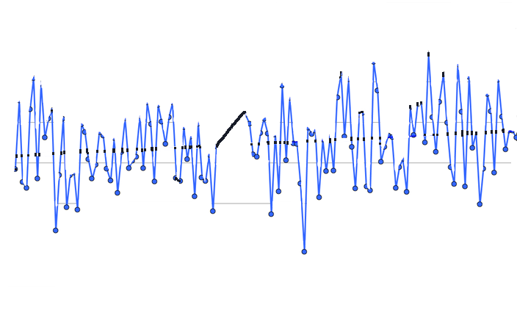

picture_original
